Scoresheet
CBSE NORTH ZONE I FOOTBALL CHAMPIONSHIP 2013 (17th Oct till 21st Oct 2013) Match No 13: National Victor Public School, I.P Extension Vs Modern School, Barakhamba Road

Mehar Kochhar scored 5 goals in a row with Sagarika and Meera scoring one each for Modern School, VV to make a tally of 7-0 against the host school and qualifying for the Quarterfinals. |  |  |  |  | 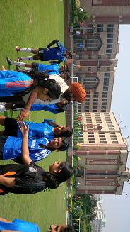 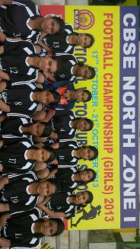
Players of National Victor and Modern School, Barakhamba Road with the CBSE Tournament Observer Sh. Sahota
SL. No. | NATIONAL VICTOR PUBLIC SCHOOL, I.P EXTENSION |  |  | VS | SL. No. | MODERN SCHOOL, BARAKHAMBA ROAD
 | Players Name | Time | Goal |  |  | Players Name | Time | Goal
1 | PRACHI GUPTA |  |  |  | 1 | ANANDITA WAHAL
2 | TANISHA KANOJIA |  |  |  | 2 | MEHAR KOCHHAR | 9', 9', 14', 27', 34' | 5
3 | CHHAVI JOSHI |  |  |  | 3 | PAVNI ANAND
4 | NISHA SHARMA |  |  |  | 4 | SAGARIKA KAUL | 8' | 1
5 | KARISHMA GAUTAM |  |  |  | 5 | MALLIKA SINGH
6 | SHEFALI TYAGI |  |  |  | 6 | MANASI MALIK
7 | AMISHA GUPTA |  |  |  | 7 | VASUNDHRA PURI
8 | SGARIMA SHARMA |  |  |  | 8 | AALIYA WARSI
9 | LAKSHITA MALHOTRA |  |  |  | 9 | ALISA WARSI
10 | MAHIMA CHUGH |  |  |  | 10 | BHAVNA GUPTA
11 | NISHITA AGRAWAL |  |  |  | 11 | VASUNDHARA BAKHRU
12 | ANVITA CHUGH |  |  |  | 12 | BHAVYA KAPOOR
13 | PRANJAL |  |  |  | 13 | SUMANRIDHI PATHANIA
14 | KAVYA NIM |  |  |  | 14 | MEERA SINGH YADAV | 11' | 1
15 | RIYA SHARMA |  |  |  | 15 | AVIVA BAIG
16 | DIKSHA KHULBE |  |  |  | 16 | KAIRAVI MINJAL
17 | AASHI GUPTA |  |  |  | 17 | DHWANI ARORA
18 |  |  |  |  | 18 | SEHER KOCHHAR
TOTAL SCORE |  |  | 0 |  | TOTAL SCORE |  |  | 7
FOR RESULTS PLEASE VISIT www.spectrumsports.in

